ER model
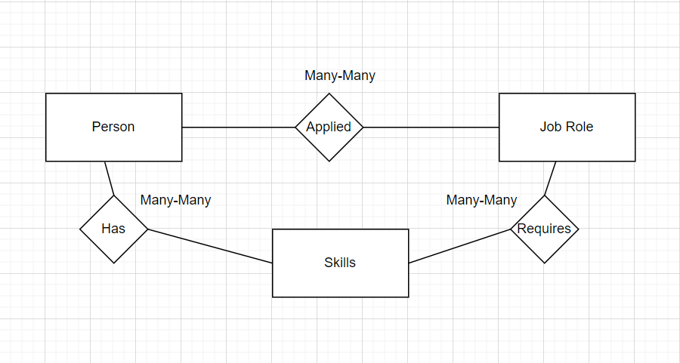
Job | Skills | Person_attributes
Job_1 | Python | Full Name
Job_2 | SQL | Email
Job_3 | Power BI | Experience
 | Tableau
 | ETL
 | AWS
 | GCP
 | Kafka
 | Hadoop
 | MongoDB
 | AI/ML
 | R
 | Scala
 | SAS
One job may have require people with many skills
One person may have more than one skill, one skill may be known by many people.
One person may apply for more than one role and one job role may be applied by many people.

